Sheet1
# Of binder clippings | Weight | Time of 10 Oscilations (s) | Period | Uncertainty X | Uncertianty Y
1 |  | 11.38 | 1.138 | 0 | 0.087
2 |  | 11.56 | 1.156 | 0 | 0.087
4 |  | 11.43 | 1.143 | 0 | 0.087
8 |  | 11.48 | 1.148 | 0 | 0.087
16 |  | 11.51 | 1.151 | 0 | 0.087
 |  |  |  |  | 0.087
 |  |  |  |  | 0.087
 |  |  |  |  | 0.087
 |  |  |  |  | 0.087
 |  |  |  |  | 0.087
 |  |  |  |  | 0.087
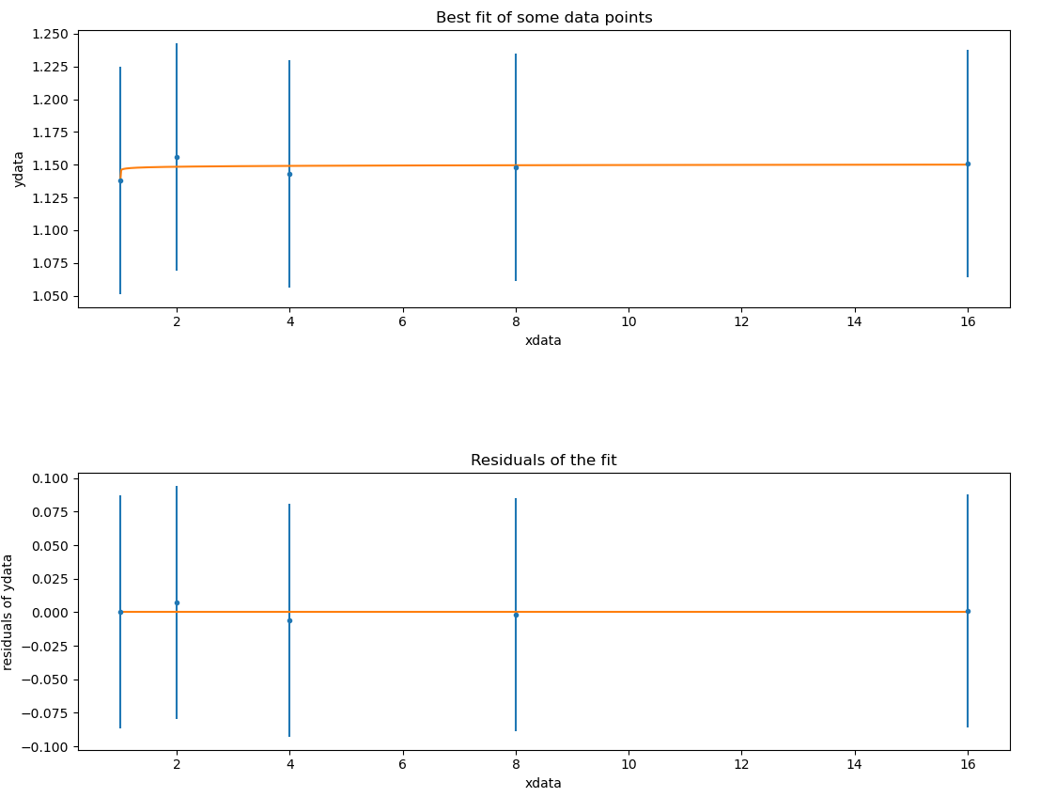
 |  |  |  |  | 0.087
 |  |  |  |  | 0.087
 |  |  |  |  | 0.087

Calibrate Time | Error
5.08 | 0.08 |  | Avg | 0.087
5.21 | 0.21
5.22 | 0.22
5.05 | 0.05
4.98 | 0.02
5.05 | 0.05
5.08 | 0.08
5 | 0
4.96 | 0.04
5.12 | 0.12

